Amazon
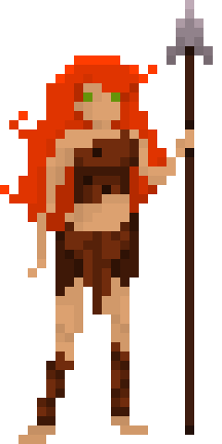
0ANIMATION | FRAMES
0B | 1 | 2 | 3 | 4 | 5 | 6 | 7 | 8 | 9 | 10 | 11 | 12 | 13 | 14 | 15 | 16 | 17 | 18 | 19 | 20 | 21 | 22 | 23 | 24 | 25 | 26 | 27 | 28 | 29 | 30
Amazon_AimSpear
Amazon_LandSpear
Amazon_SpearSneak | 5 | 5 | 5 | 5
Amazon_KickBranch | 4 | 4 | 2 | 7 | 4 | 4 | 6 | 2 | 4
Amazon_PickUp_Ground | 4 | 4 | 2 | 4
Amazon_TryHelpHunter | 4 | 4 | 4 | 4
Amazon_TryBranch | 11 | 2 | 2 | 6 | 2 | 2 | 2 | 2 | 9 | 6 | 2 | 2 | 4 | 4 | 2 | 2 | 9 | 2 | 2 | 2 | 2 | ?
Amazon_CoverBlast | 2 | 2 | 2
Amazon_KnockedDown | 2 | 2 | 2 | 4 | 4 | ?
Amazon_PutSpearBack | 4 | 4 | 2 | 2 | 2 | 2 | 2 | 2 | 2 | 2 | 2
Amazon_TryFruit
Amazon_CutVine | 2 | 2 | 2 | 2 | 2 | 2 | 2 | 2 | 2 | 2 | 9 | 2 | 2 | 2 | 2 | 2 | 12 | 2 | 2 | 2 | 2 | 2 | 2 | 2 | 2 | 2 | 2 | 2 | 2 | 2
Amazon_CutHunterDown | 4 | 2 | 2 | 2 | 2 | 2 | 2 | 2 | 2 | 2 | 6 | 2 | 10 | 2 | 2 | 2 | 2 | 6 | 2 | 2 | 2 | 2 | 2 | 2 | 2 | 2 | 2 | 2

Dinosaurs
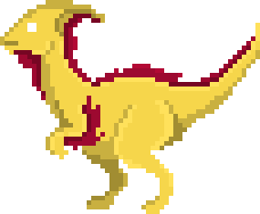
0ANIMATION | FRAMES
0B | 1 | 2 | 3 | 4 | 5 | 6 | 7 | 8 | 9 | 10 | 11 | 12 | 13 | 14 | 15 | 16 | 17 | 18 | 19 | 20 | 21 | 22 | 23 | 24 | 25
DemoDino_RunSide | 3 | 3 | 3 | 3
DemoDino_Eat | 5 | 5 | 5
DemoDino_RunFront | 2 | 3 | 2 | 3
DemoDino_Fruit | 10 | 2 | 10 | 2 | 10
DemoDino_Caught | 2 | 2 | 2 | 2 | 2 | 2
DemoDino_RunSide | 3 | 3 | 3 | 3
DemoDino_CaughtStruggle | 3 | 3 | 3 | 3 | 3

